Chart 1 — Top Countries
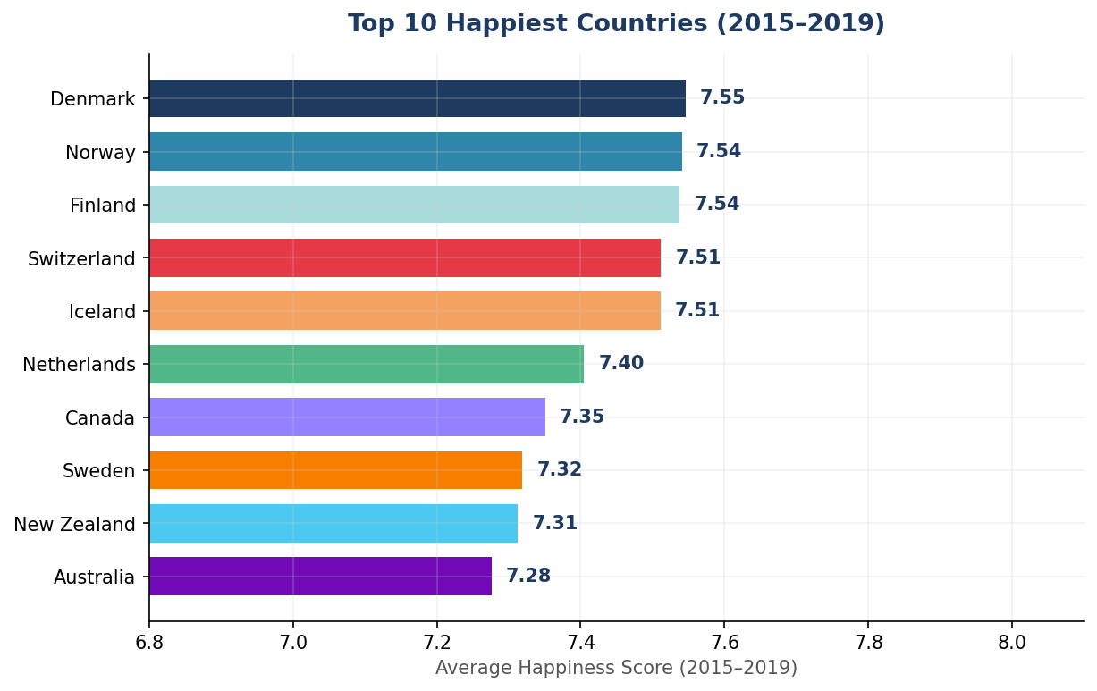
Top 10 Happiest Countries (2015–2019 Average)
Rank | Country | Avg Score | Data Points
1 | Denmark | 7.546 | 5
2 | Norway | 7.541 | 5
3 | Finland | 7.538 | 5
4 | Switzerland | 7.511 | 5
5 | Iceland | 7.511 | 5
6 | Netherlands | 7.405 | 5
7 | Canada | 7.351 | 5
8 | Sweden | 7.319 | 5
9 | New Zealand | 7.313 | 5
10 | Australia | 7.276 | 5

Chart 2 — By Region
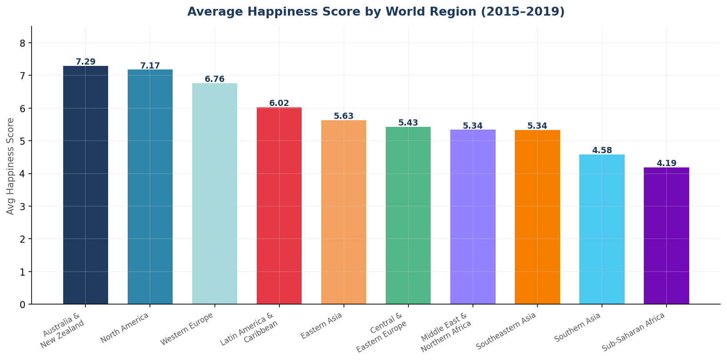
Average Happiness Score by World Region
Rank | Region | Avg Score
1 | Australia and New Zealand | 7.295
2 | North America | 7.175
3 | Western Europe | 6.759
4 | Latin America and Caribbean | 6.021
5 | Eastern Asia | 5.63
6 | Central and Eastern Europe | 5.429
7 | Middle East and Northern Africa | 5.337
8 | Southeastern Asia | 5.335
9 | Southern Asia | 4.581
10 | Sub-Saharan Africa | 4.188

Chart 3 — Trends
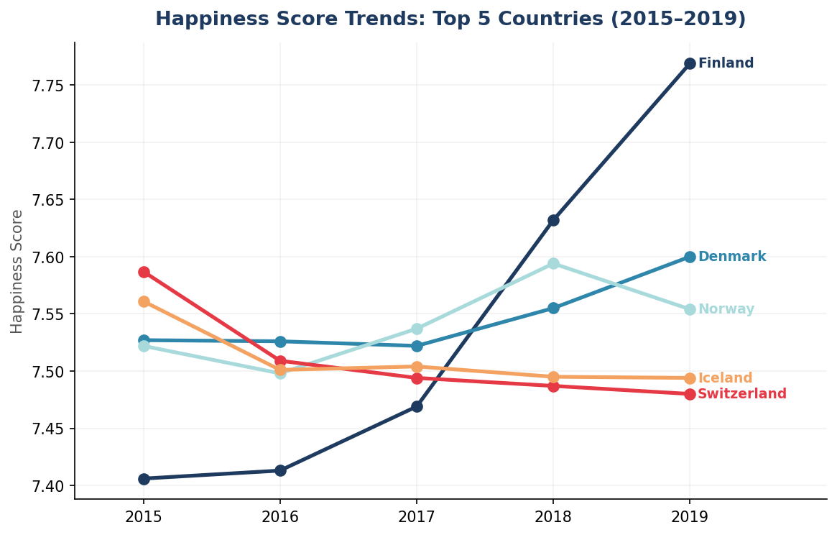
Happiness Score Trends — Top 5 Countries (2015–2019)
Year | Denmark | Finland | Iceland | Norway | Switzerland
2015 | 7.527 | 7.406 | 7.561 | 7.522 | 7.587
2016 | 7.526 | 7.413 | 7.501 | 7.498 | 7.509
2017 | 7.522 | 7.469 | 7.504 | 7.537 | 7.494
2018 | 7.555 | 7.632 | 7.495 | 7.594 | 7.487
2019 | 7.6 | 7.769 | 7.494 | 7.554 | 7.48

Chart 4 — Correlations
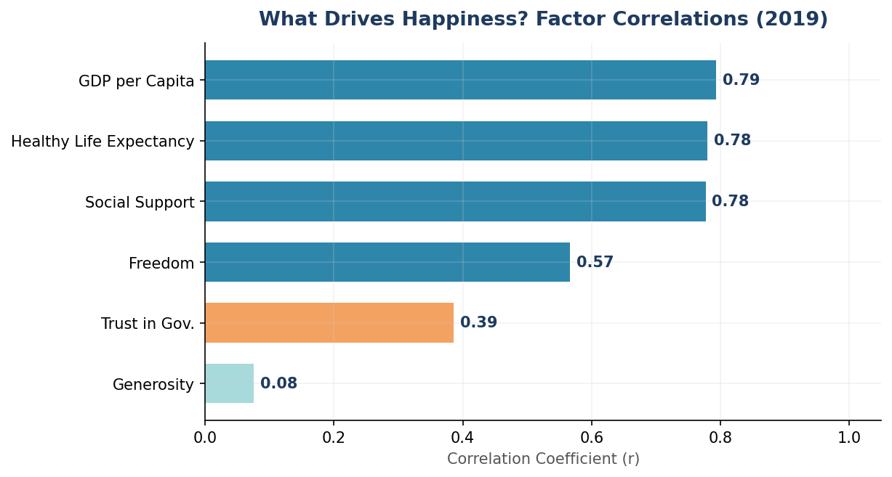
What Drives Happiness? Factor Correlations (2019 Data)
Factor | Correlation (r) | Strength
GDP per Capita | 0.794 | Strong
Healthy Life Expectancy | 0.78 | Strong
Social Support | 0.777 | Strong
Freedom | 0.567 | Moderate
Trust in Gov. | 0.386 | Weak
Generosity | 0.076 | Weak

Chart 5 — GDP Scatter
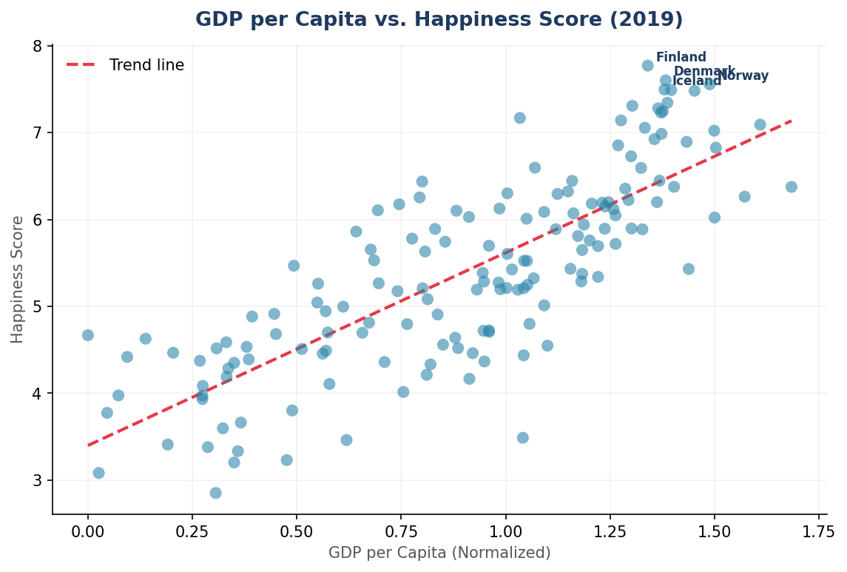
GDP per Capita vs. Happiness Score (2019 — Top 20 Shown)
Country | GDP per Capita | Happiness Score
Finland | 1.34 | 7.769
Denmark | 1.383 | 7.6
Norway | 1.488 | 7.554
Iceland | 1.38 | 7.494
Netherlands | 1.396 | 7.488
Switzerland | 1.452 | 7.48
Sweden | 1.387 | 7.343
New Zealand | 1.303 | 7.307
Canada | 1.365 | 7.278
Austria | 1.376 | 7.246
Australia | 1.372 | 7.228
Costa Rica | 1.034 | 7.167
Israel | 1.276 | 7.139
Luxembourg | 1.609 | 7.09
United Kingdom | 1.333 | 7.054
Ireland | 1.499 | 7.021
Germany | 1.373 | 6.985
Belgium | 1.356 | 6.923
United States | 1.433 | 6.892
Czech Republic | 1.269 | 6.852

Chart 6 — Happiness Gap
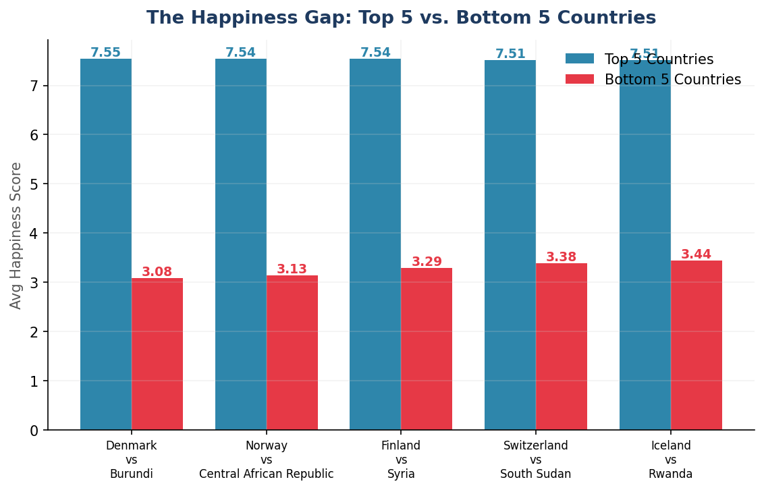
The Happiness Gap: Top 5 vs. Bottom 5 Countries
Rank | Top Country | Avg Score | Bottom Country | Avg Score
1 | Denmark | 7.546 | Burundi | 3.079
2 | Norway | 7.541 | Central African Republic | 3.134
3 | Finland | 7.538 | Syria | 3.292
4 | Switzerland | 7.511 | South Sudan | 3.383
5 | Iceland | 7.511 | Rwanda | 3.439

